TEMPLATE
LOGO HERE | [BUSINESS NAME] WASTE DIVERSION DATA 2023
General Instructions
This tool has been designed to track your organization's waste diversion rate by weight from landfill.
Using the dropdowns in row 15, select the reporting month
For recycling, organics, and landfill streams, record the volume in cubic yards for that month in the corresponding cells (columns C through N). The total weight will automatically be calculated in Column O
If you are unsure of the volume, reference your waste disposal bills, or see the biz sizes diagrams on the "References" tab of this workbook
For reuse internal/external streams, enter the name of the material/item in Column B and the estimated weight in kilograms per month in the corresponding cells (columns C through N)
Do not enter data or edit any of the grey coloured cells

 |  |  |  |  |  |  |  |  |  | Total Waste Diverted |  |  | 0
 |  |  |  |  |  |  |  |  |  | Total Waste to Landfill |  |  | 0
 |  |  |  |  |  |  |  |  |  | Diversion Rate: |  |  | 0%

Month: | <select> | <select> | <select> | <select> | <select> | <select> | <select> | <select> | <select> | <select> | <select> | <select>
Materials or Items | Volume of Waste Stream in Cubic Yards |  |  |  |  |  |  |  |  |  |  |  | Total Weight (kg) | Notes
Recycle
Paper/Cardboard |  |  |  |  |  |  |  |  |  |  |  |  | 0
Cardboard Only |  |  |  |  |  |  |  |  |  |  |  |  | 0
Mixed Containers |  |  |  |  |  |  |  |  |  |  |  |  | 0
Hard Plastics #1-7 |  |  |  |  |  |  |  |  |  |  |  |  | 0
Glass |  |  |  |  |  |  |  |  |  |  |  |  | 0
Soft Plastic |  |  |  |  |  |  |  |  |  |  |  |  | 0
Styrofoam |  |  |  |  |  |  |  |  |  |  |  |  | 0
Steel/Tin Cans |  |  |  |  |  |  |  |  |  |  |  |  | 0
Scrap Metal |  |  |  |  |  |  |  |  |  |  |  |  | 0
Universal Waste |  |  |  |  |  |  |  |  |  |  |  |  | 0
Wood |  |  |  |  |  |  |  |  |  |  |  |  | 0
Cooking Oil |  |  |  |  |  |  |  |  |  |  |  |  | 0
Total Recycle | 0 | 0 | 0 | 0 | 0 | 0 | 0 | 0 | 0 | 0 | 0 | 0 | 0

Organics
Food & Soiled Paper |  |  |  |  |  |  |  |  |  |  |  |  | 0
Yard Waste |  |  |  |  |  |  |  |  |  |  |  |  | 0
Total Organics | 0 | 0 | 0 | 0 | 0 | 0 | 0 | 0 | 0 | 0 | 0 | 0 | 0

Non-diversion
Landfill Waste (with organics) |  |  |  |  |  |  |  |  |  |  |  |  | 0
Landfill Waste (without organics) |  |  |  |  |  |  |  |  |  |  |  |  | 0
Total Landfill | 0 | 0 | 0 | 0 | 0 | 0 | 0 | 0 | 0 | 0 | 0 | 0 | 0

Materials or Items | Weight of Waste Stream in Kilograms |  |  |  |  |  |  |  |  |  |  |  | Total Weight (kg) | Notes
Reuse (Internal & External)
 |  |  |  |  |  |  |  |  |  |  |  |  | 0
 |  |  |  |  |  |  |  |  |  |  |  |  | 0
 |  |  |  |  |  |  |  |  |  |  |  |  | 0
 |  |  |  |  |  |  |  |  |  |  |  |  | 0
 |  |  |  |  |  |  |  |  |  |  |  |  | 0
Total Reuse | 0 | 0 | 0 | 0 | 0 | 0 | 0 | 0 | 0 | 0 | 0 | 0 | 0

References
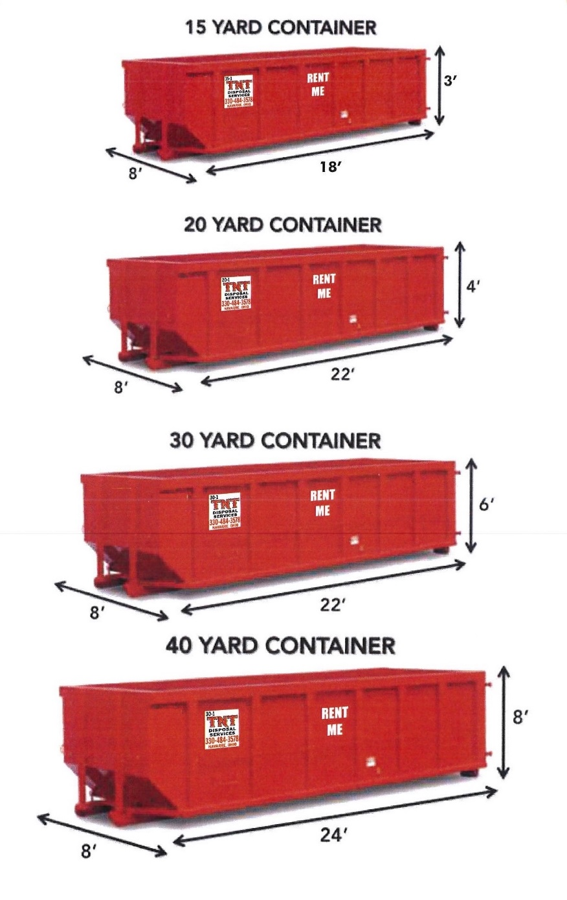
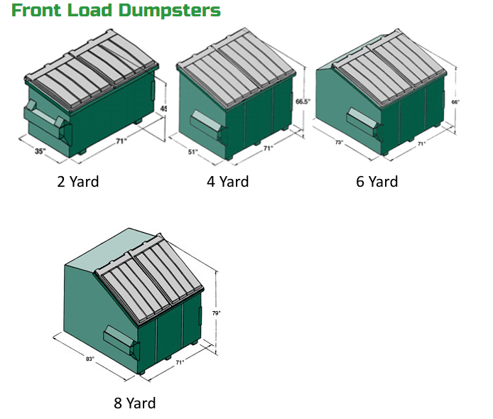
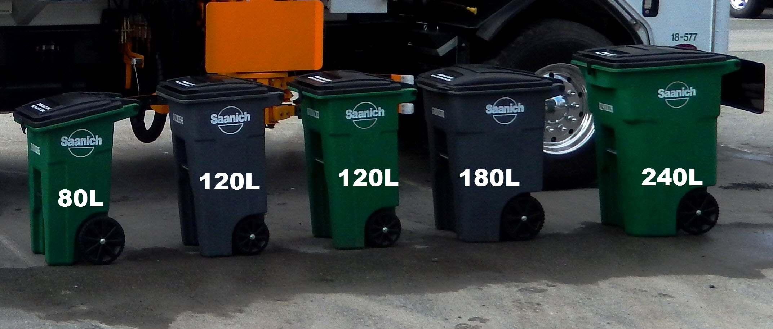
Volume Conversion Chart
Unit | Cubic Yard Equivalent (yd3)
Gallon (gal) | 0.005
Litre (L) | 0.0013

