Guide
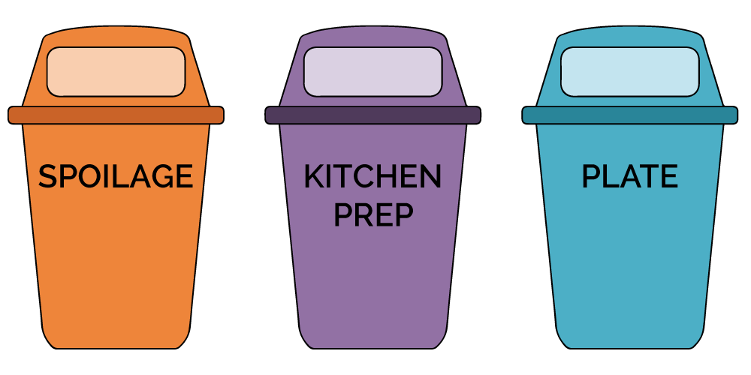
DIY FOOD WASTE AUDIT TOOL KIT

Why conduct a food waste audit?
Did you know the average restaurant throws out 21 tonnes of food waste?
This costs restaurants on average over $20,000 per year.
Three quarters of this waste is "avoidable" through purchase changes, managing inventory, portion sizing, and using offcuts.
Food waste is one of our biggest challenges of the decade. According to the World Wildlife Fund, 70% of fresh water goes to food production, which generates about 20% of greenhouse gas emissions. Other studies show 40% of all food produced in thrown away. We can combat global warming, reduce costs, and environmental impact by tackling food waste in our restaurants. Thank you for doing your part!
How to use this tool:
Step 1: Follow instuctions under the 'Set-Up Tab' to prepare for your audit and gather supplies
Step 2: Add total cost for monthly waste removal using invoices in the 'Audit Tab' *OPTIONAL*
Step 3: Conduct the audit and add the results to the 'Audit Tab' by seperating plate, spoilage and prep food waste and weighing each bin
Step 4: Analyze the results in the 'Audit Tab' and set your goals and action plan in the 'Action Plan Tab'
Step 5: Take action! Start saving money and the planet by implementing your action plan
Waste streams defined:
Spoilage: Produce that has gone off or has been contaminated, and is unusable
Kitchen Prep: Food waste generated as part of the menu preparation and cooking process
(e.g. veg and meat trimmings, cooking errors and prepped food that’s cooked but not served)
Plate: Prepared food that comes back from the customer
Need assistance?
The Project Zero Team is here to help! Contact projectzero@synergyfoundation.ca with your questions

Audit
DATA INPUT |  |  |  | OUTPUT

Input your data below and the output tables will calculate automatically |  |  |  | Your results will generate below. Use the resutls to analyze the sources of food waste & set goals

Instructions:
Fill out basic infomation
Weigh each separte waste stream (kitchen prep /spoilage/plate waste) and enter data in 'waste audit' table
Using invoices, enter waste collection data in 'food waste removal cost' table
** all blue colored tables will calculate automatically
Basic Information
Business Name
Address
Number of Staff
Business Type
Date of Audit
Days/Week Open
Auditor

Waste Audit |  |  |  | Waste Assessment
# of Covers on Day of Audit |  |  |  | Spoilage (kg) |  | Prep Waste (kg) |  | Plate Waste (kg) |  | Total Waste (kg)
Weight (kg) | Spoilage | Kitchen Prep | Plate Waste | waste | % of total | waste | % of total | waste | % of total
BIN#1 |  |  |  | 0 | 0% | 0 | 0% | 0 | 0% | 0
BIN#2
BIN#3 |  |  |  | Cost of Food Waste
BIN#4 |  |  |  | Waste per Cover (kg) |  | Waste Cost per Cover* |  | Daily Cost of Food Waste* | Annual Total Cost (including compost hauling)
BIN#5 |  |  |  | - |  | - |  | $- | $-
BIN#6 |  |  |  | * Based off average of $3.93/kg for food waste plus compost waste hauling costs
BIN#7 |  |  |  | Annual Food Waste (kg)
BIN#8 |  |  |  | Spoilage |  | Kitchen Prep |  | Plate Waste |  | Total Food Waste
BIN#9 |  |  |  | 0 |  | 0 |  | 0 |  | 0

Food Waste Removal Costs *Optional*
If data is available, obtain information from your waste hauling invoices and enter the costs below or enter '0'
Monthly Cost for Compost Pick Up

